Script
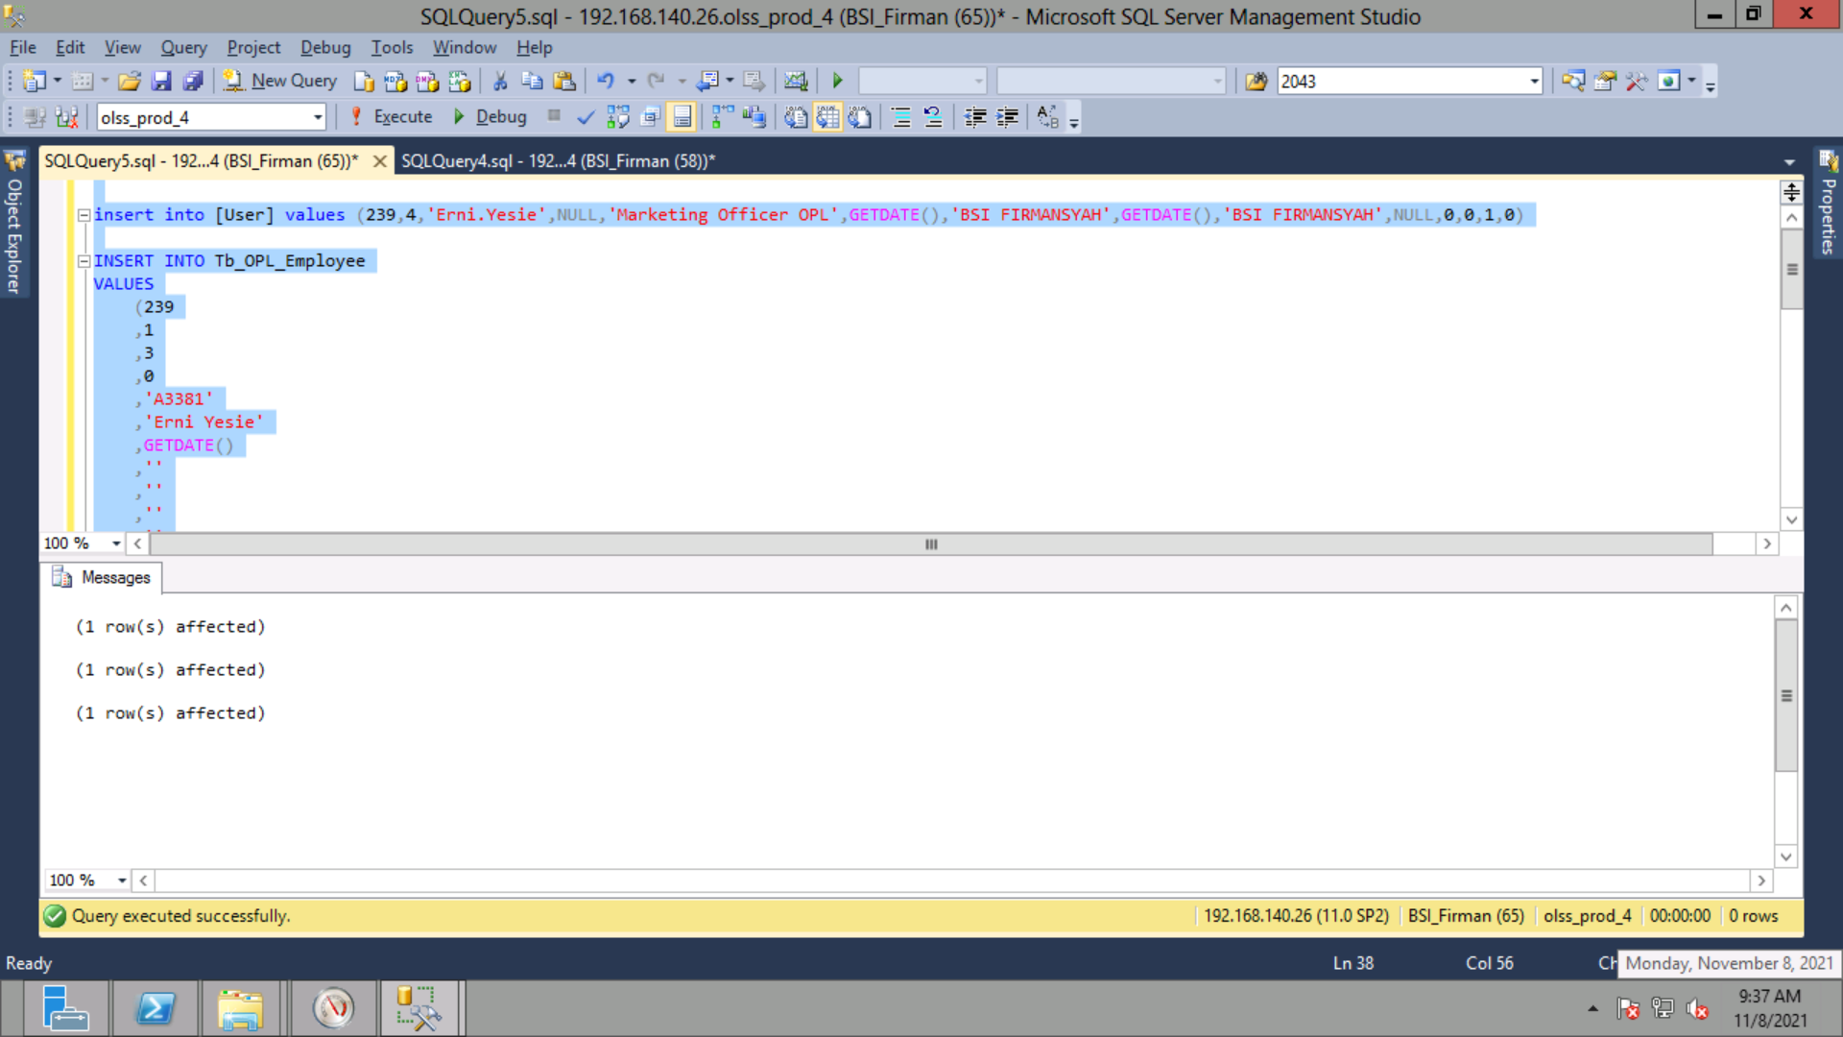
insert into [User] values (239,4,'Erni.Yesie',NULL,'Marketing Officer OPL',GETDATE(),'BSI FIRMANSYAH',GETDATE(),'BSI FIRMANSYAH',NULL,0,0,1,0)

INSERT INTO Tb_OPL_Employee
VALUES
(239
,1
,3
,0
,'A3381'
,'Erni Yesie'
,GETDATE()
,''
,''
,''
,''
,''
,''
,''
,''
,''
,''
,''
,''
,'Erni.Yesie@dipostar.com'
,'BSI FIRMANSYAH'
,GETDATE()
,'BSI FIRMANSYAH'
,GETDATE()
,1
,''
,''
,''
,''
,''
,'A3381')

insert into UserBranch values ('Erni.Yesie',239,2044,1)

